Exp. 0
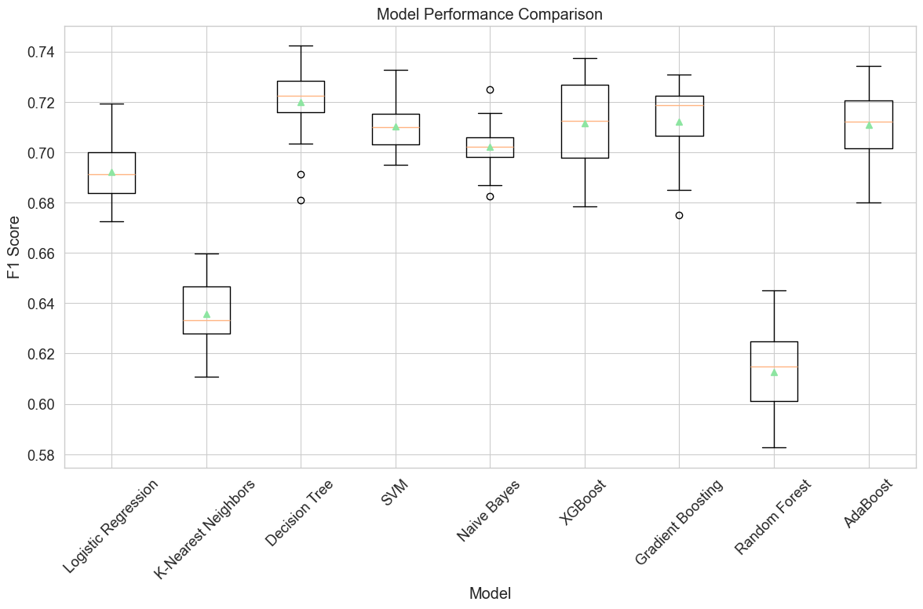
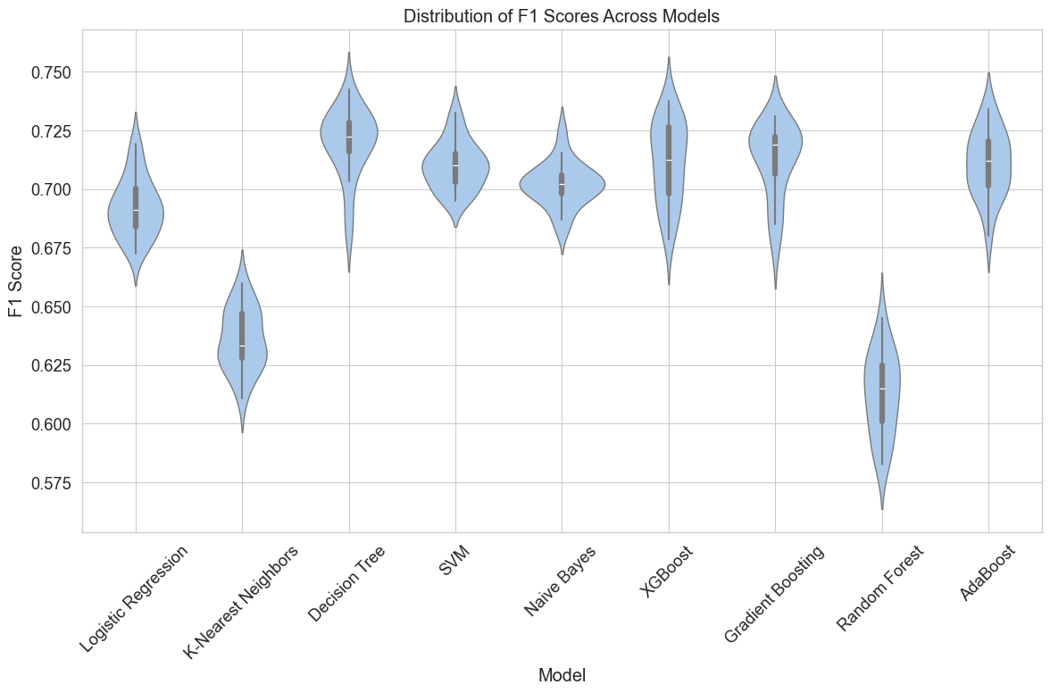
Stopword removal | -
Lemmatization | -
Features a mano | True
Extraccion de Features | NA

Modelo | F1 Score
Logistic Regression | 0.69
K-Nearest Neighbors | 0.64
Decision Tree | 0.72
SVM | 0.71
Naive Bayes | 0.70
XGBoost | 0.71
Gradient Boosting | 0.71
Random Forest | 0.61
AdaBoost | 0.71

Exp.1
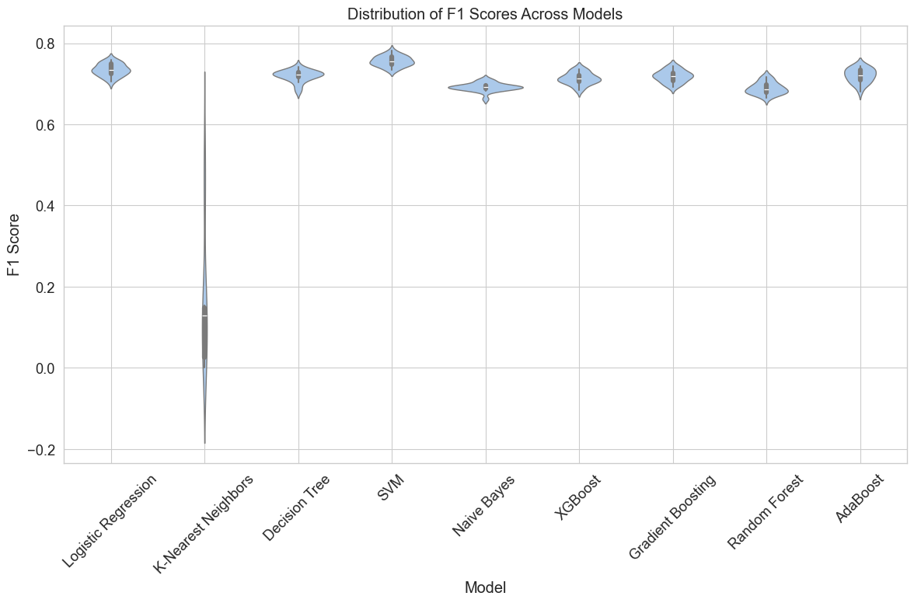
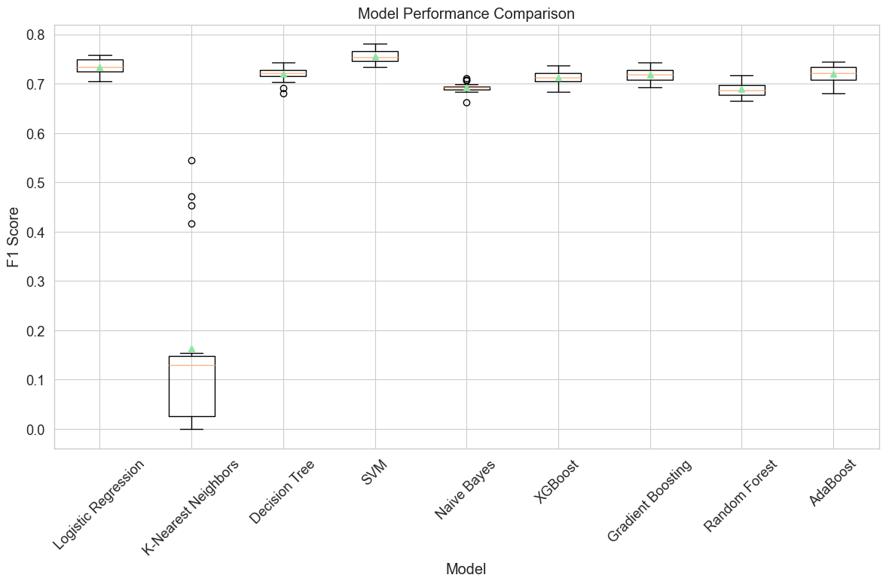
Stopword removal | False
Lemmatization | False
Features a mano | True
Extraccion de Features | TF-IDF

Modelo | F1 Score
Logistic Regression | 0.73
K-Nearest Neighbors | 0.16
Decision Tree | 0.72
SVM | 0.76
Naive Bayes | 0.69
XGBoost | 0.71
Gradient Boosting | 0.72
Random Forest | 0.69
AdaBoost | 0.72

Exp. 2
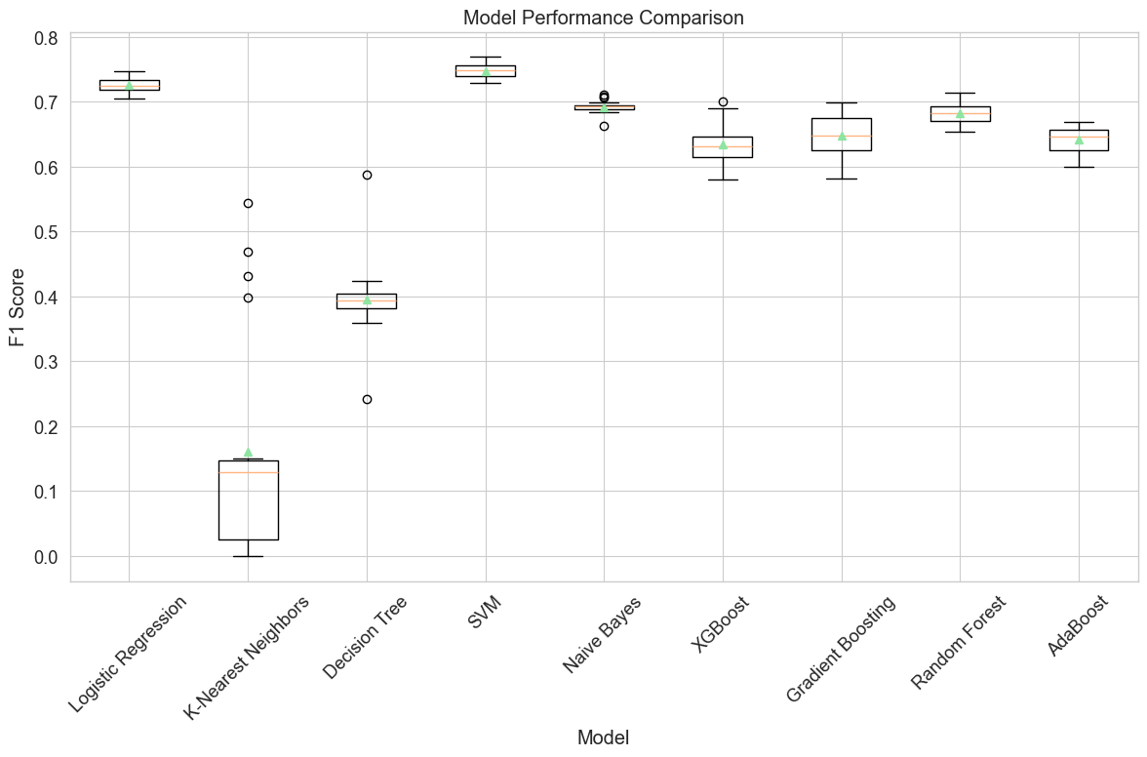
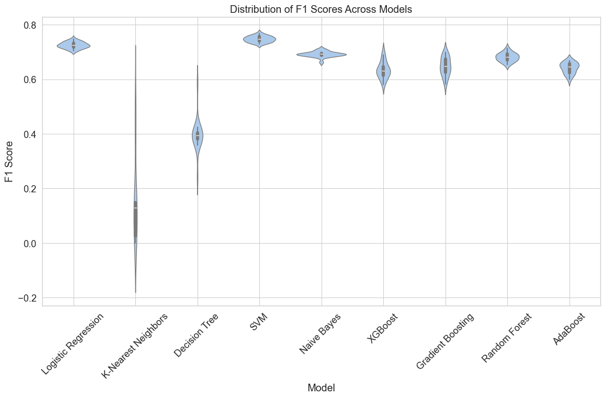
Stopword removal | False
Lemmatization | False
Features a mano | False
Extraccion de Features | TF-IDF

Modelo | F1 Score
Logistic Regression | 0.73
K-Nearest Neighbors | 0.16
Decision Tree | 0.4
SVM | 0.75
Naive Bayes | 0.69
XGBoost | 0.63
Gradient Boosting | 0.65
Random Forest | 0.68
AdaBoost | 0.64

Exp. 3
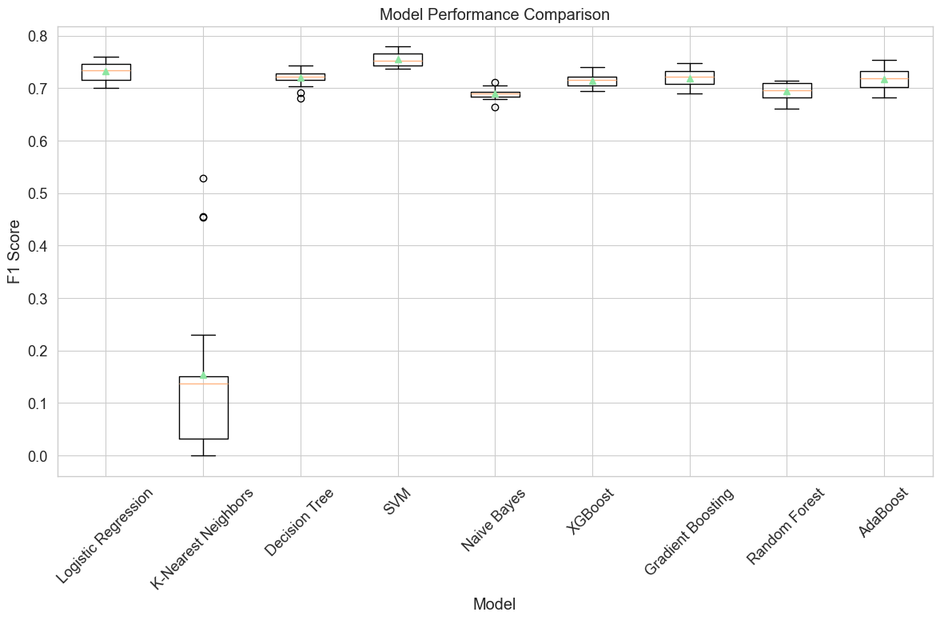
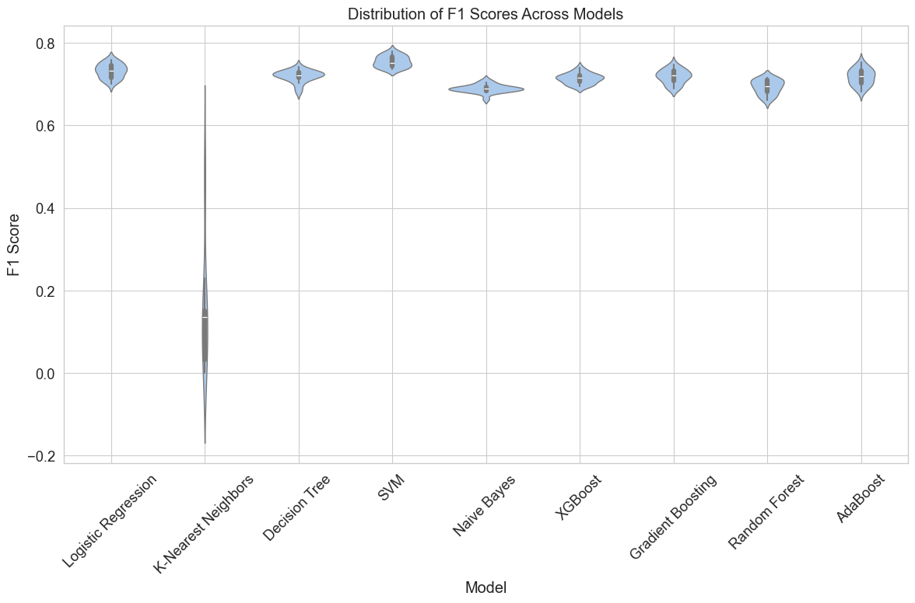
Stopword removal | True
Lemmatization | False
Features a mano | True
Extraccion de Features | TF-IDF

Modelo | F1 Score
Logistic Regression | 0.73
K-Nearest Neighbors | 0.15
Decision Tree | 0.72
SVM | 0.76
Naive Bayes | 0.69
XGBoost | 0.71
Gradient Boosting | 0.72
Random Forest | 0.69
AdaBoost | 0.72

